Instructions
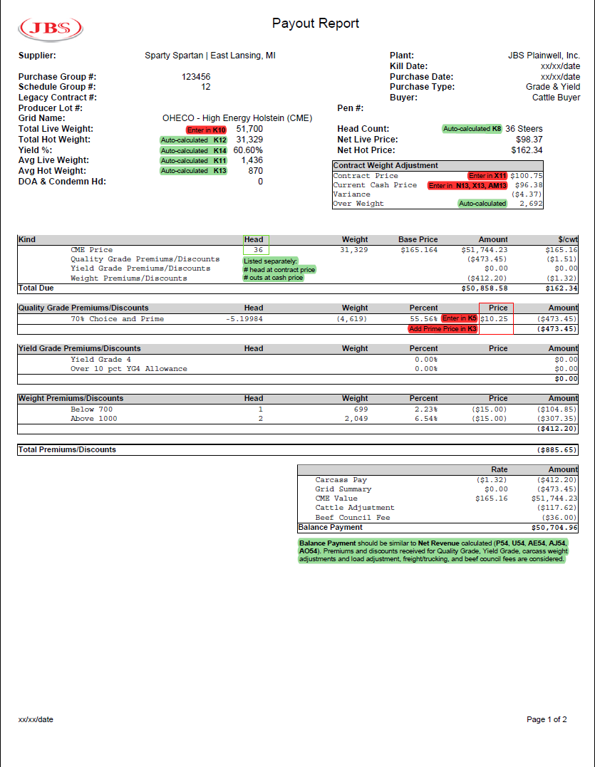
Instructions for JBS Contract Comparison Tool | Example Reciept
This spreadsheet is to be used to help assist with choosing between JBS's contracts and discovering how premiums and discounts can affect the profitability of a load of cattle.

Authors: Jerad Jaborek*, Melissa McKendree*, Jeannine Schweihofer*, Dan Buskirk*
Collaborators: Karen DeLong**, Andrew Griffith**, Arnold Hentschl***
*Michigan State University, **University of Tennessee, ***Harbor Beach Veterinary Services

Created: April 2021
Updated: December 2024 by Jerad Jaborek

General Instructions
1) In addition to this instruction tab, there are two other tabs found at the bottom of the page. Only grey highlighted cells are allowed to be changed.
2) The "Contract Comparison Tool" tab allows the producer to enter in information for a particular lot of cattle on the left hand side of the spreadsheet (columns A-H) and compare their monetary value when sold on the different JBS contract options (cells U57 through U62 for Holsteins and cells AE57 through AE68 for Beef Dairy Crosses).
3) The "Sensitivity Analysis" tab allows the producer to manipulate or change the number of cattle in each summary statistic category (i.e., prime, YG 4, etc.) to determine the effect of the changes on the revenue received for a hypothetical load of cattle on each contract.

Contract Comparison Tool
1) Start by entering in the individual cattle information in the grey cells (columns A-H).
2) Animal IDs are optional. You must enter the Hot Carcass Weight of the cattle (column B). If an animal has a weight of zero because it was condemned, do not enter a Hot Carcass Weight.
3) For Quality Grade, Yield Grade, Dark Cutter, Yellow Fat, and Over 30 Months Old, CAB, select the appropriate dropdown option for each animal.
4) Next, enter in the Total Live Weight (cell K10) and the Contracted Total Live Weight (cell X7) for the load of cattle. The Contracted Total Live Weight will be found on your contract agreement made with JBS.
5) Enter in the weekly Prime and Choice/Select spread price (cells K3 and K5). This can be found at www.ams.usda.gov > Market News > Livestock, Poultry, Grain > Cattle > National Direct Slaughter Cattle Reports > Weekly Direct Slaughter Cattle Premiums and Disounts (https://www.ams.usda.gov/mnreports/lm_ct155.txt)
6) Enter in the Contracted Live Price (cell X11), the Basis (cell X10), and the Current Live Cash Price (cell X13). A CME Futures Price (cell X9) will be calculated for you. The Contracted Live Price should match your receipt. The CME Futures Price should be the same for a particular type/breed of cattle (i.e., Holstein, Beef Dairy Cross, Native).
7) You have the ability to enter in the premium and discount prices if they have changed for a particular contract.
8) You have the ability to enter in freight/trucking costs if you had any (cell Z52). It is a cost, so it should be entered as a negative number.
9) The predicted Net Revenue received for the load of cattle are highlighted in blue cells (P54, U54, Z54, AE54, AJ54, A054) for the various contract options.
10) The Net Revenue difference between the different contract options is shown as a total (cells U57, U59, U61 for Holsteins and cells AE57, AE59, AE61, AE63, AE65, AE67 for Beef Dairy Crosses) and on a $ per head basis (cells U58, U60, U62 for Holsteins and cells AE58, AE60, AE62, AE64, AE66, AE68 for Beef Dairy Crosses), shown in blue highlighted cells.
11) For additional help finding the information needed from the receipt for the spreadsheet, see the attached example of a receipt in this instructions tab.

Sensitivity Analysis
1) Much of the information (i.e., summary statistic counts and average weights) on the "Sensitity Analysis" tab is propagated from the "Contract Comparison Tool" tab.
2) Column C allows the producer to change (+/-) the number of cattle for each summary statistic category (i.e., prime, YG4, etc.). You do not want a negative number in column D, as this is not possible in reality.
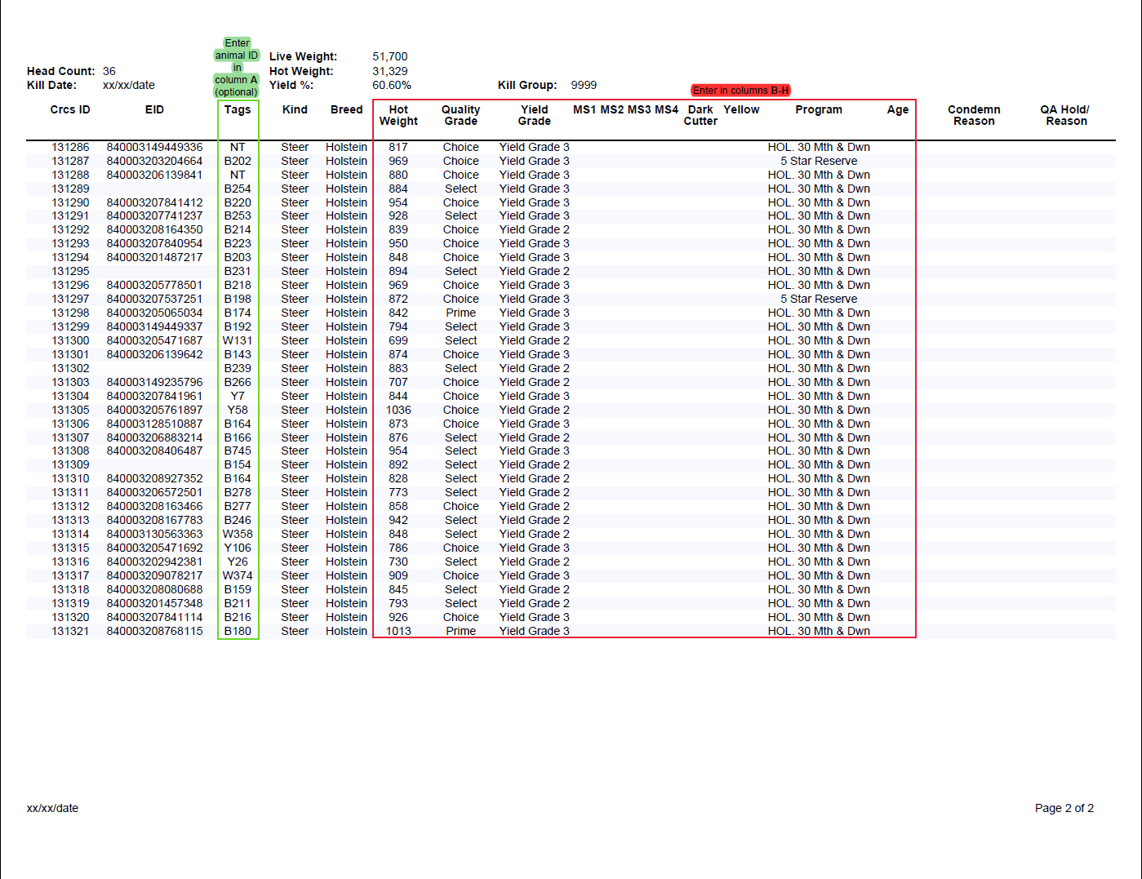
3) In columns G, M, S, Y, AE, and AK, the average weight will be propagated from the "Contract Comparison Tool" tab. If there were no cattle with those particular summary statistics found from the data of the load of cattle you previously entered in the "Contract Comparison Tool" tab, then the average load weight is used or predetermined for you. You have the option to change the average weight for cells in columns G, M, S, Y, AE, and AK. Just remember for the Hot Carcass Weight cells (18-25) the average weight you enter should fall within the range of that summary statistic.

MSU is an affirmative-action, equal-opportunity employer. Michigan State University Extension programs and materials are open to all without regard to race, color, national origin, gender, gender identity, religion, age, height, weight, disability, political beliefs, sexual orientation, marital status, family status or veteran status.

